Alternate Data and All charts
Day wise average TpT
Day | TpT | Quality %
Day 1 | 2.2 | 91.39
Day 2 | 2.1 | 91.57
Day 3 | 2.1 | 91.75
Day 4 | 2.0 | 91.94
Day 5 | 2.0 | 91.92
Day 6 | 2.0 | 92.30
Day 7 | 1.9 | 92.46
Day 8 | 1.9 | 92.66
Day 9 | 1.8 | 93.09
Day 10 | 1.7 | 93.33
Day 11 | 1.7 | 93.41
Day 12 | 1.7 | 93.72
Day 13 | 1.6 | 93.70
Day 14 | 1.5 | 94.31
Day 15 | 1.5 | 94.17
Average | 1.8 | 92.781333333

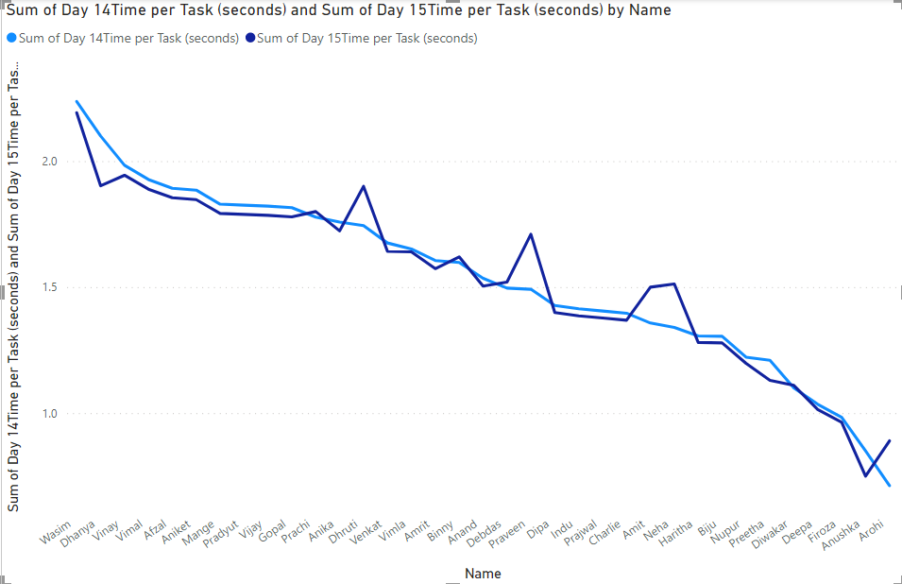

Power BI Chart for comparing two days TpT

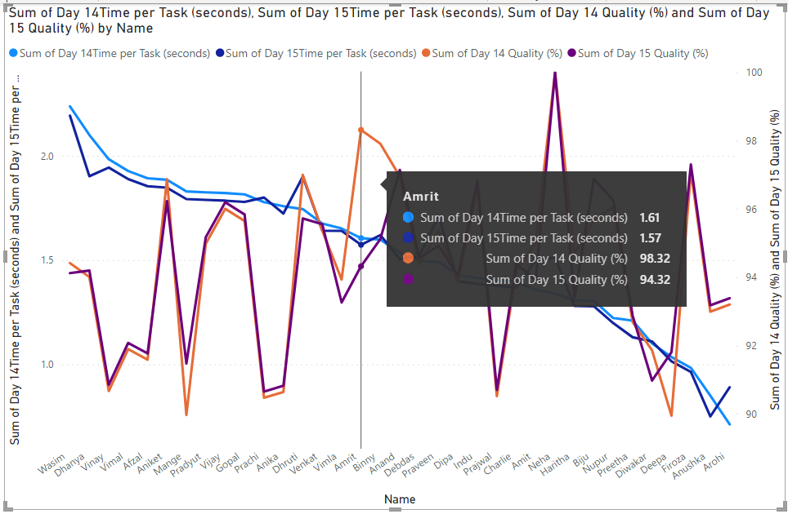

Power BI Chart for comparing two days TpT and Quality

